工作表1
Xmind
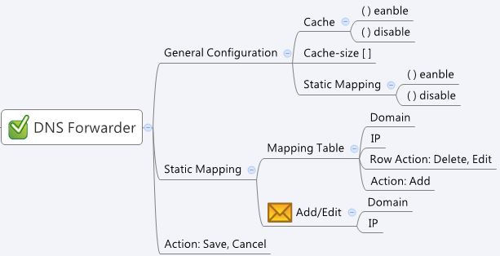

Behavior
Gray out Cache-size, if Cache is not enabled
Gray out Static Mapping Table, if Static Mapping is not enabled
Limitations: Max Table Size = 100

[UI Display Name] | [CGI Name] | [JSON Name] | [Description] | Range / Default Value / Unit
Cache | dnssetting.cgi | enableCache | int, 0: disabled, 1: enabled | default: 1
Cache-size | dnssetting.cgi | cacheSize | int, 150 ~ 10000 | default: 5000
Static Mapping | dnssetting.cgi | enableStaticDNS | int, 0: disabled, 1: enabled | default: 0
## Static Mapping Table ##
Domain Name | dnssetting.cgi | staticDnsT.domain | string, domain name, unique | len:255
IP Address | dnssetting.cgi | staticDnsT.ipAddr | string, IP address | len:15
 | dnssetting.cgi | staticDnsT.cgiAction | int, 0:none, 1:add, 2:update, 3:delete | default: 0

JSON String
## GET && POST methods ##
{
"enableCache": 1,
"cacheSize": 5000,
"enableStaticDNS": 1,
"staticDnsT": [
{
"gid": 3513120,
"domain": "titan12f.com",
"ipAddr": "10.1.2.254",
"cgiAction": 0
},
{
"gid": 3513121,
"domain": "titanWALL.com",
"ipAddr": "10.1.2.1",
"cgiAction": 0
}
]
}

